extra info
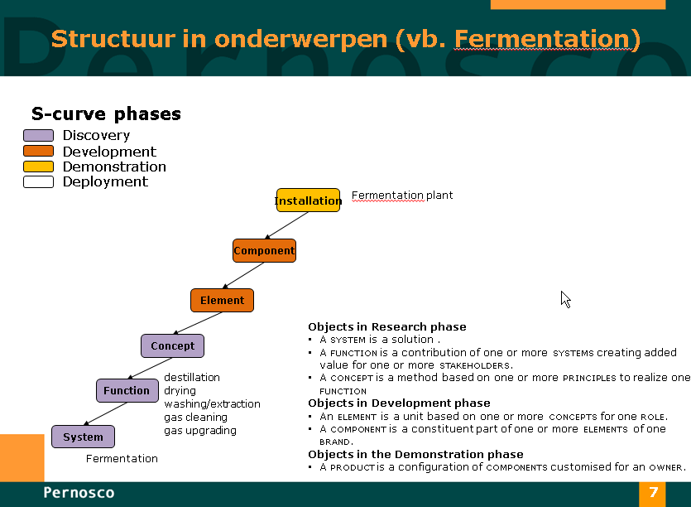
NB:
Kolom input is de NL genormeerde indeling (NTA 8003), niet wijzigen aub.

Naamgeving in objectmodel

